Variation dette nette
 |  |  |  |  |  |  |  |  |  | Interest rates |  |  | Costs of financial debt - In m€
In m€ | Actual 2022 | F2 2023 | 2024 | 2025 | 2026 | 2027 | 2028 | 2029 | Source | Debt | Rate |  | 2025 | 2026 | 2027 | 2028 | 2029
EuroPP | 625 | 625 | 625 | 465 | 340 | 340 | 340 | 120 | From Treasury dpt | EuroPP | 2.5% |  | 0.0 | 0.0 | 0.0 | 0.0 | 0.0
Schuldshein | 80 | 25 | 25 | 25 | 25 | 0 | 0 | 0 | From Treasury dpt | Schuldshein | 2.5% |  | -0.6 | -0.6 | 0.0 | 0.0 | 0.0
RCF | 0 | -1,959 | -2,059 | -1,815 | -1,390 | -1,219 | -926 | -876 | Calc. | RCF (used) | 5.2% |  | 94.4 | 72.3 | 63.4 | 48.2 | 45.6
Other Debt | 82 | 84 | 100 | 88 | 70 | 64 | 59 | 54 | From Treasury dpt | RCF (non used) | 0.3% |  | -3.3 | -3.3 | -3.3 | -3.3 | -3.3
Debt Bolt | 0 | 348 | 330 | 283 | 227 | 162 | 0 | 0 | From Treasury dpt | Other Debt | 4.5% |  | -4.0 | -3.2 | -2.9 | -2.7 | -2.4
New external Debt Stock |  |  | 200 | 350 | 300 | 400 | 450 | 800 | To be filled in for LTP calc. | Debt Bolt | 5.7% |  | #DIV/0! | #DIV/0! | #DIV/0! | #DIV/0! | #DIV/0!
Leases | 908 | 877 | 779 | 604 | 428 | 253 | 77 | -98 | Based on Viareport | New external Debt Stock | #DIV/0! |  | #DIV/0! | #DIV/0! | #DIV/0! | #DIV/0! | #DIV/0!
New Leases rollforward |  |  |  | 0 | 0 | 0 | 0 | 0 | To be filled in for LTP calc. | Leases | 2.2% |  | -13.3 | -9.4 | -5.6 | -1.7 | 2.2
New lease identifiés |  |  |  | 0 | 0 | 0 | 0 | 0 |  | New Leases rollforward | 5.2% |  | 0.0 | 0.0 | 0.0 | 0.0 | 0.0
Sub-total Gross Debt | 1,695 | 0 | 0 | 0 | 0 | 0 | 0 | 0 | Calc. | New lease identifiés | 5.2% |  | 0.0 | 0.0 | 0.0 | 0.0 | 0.0
 |  |  |  |  |  |  |  |  |  | Deposit | 2.9% |  | -3.9 | -3.9 | -3.9 | -3.9 | -3.9
Net Cash (cash excess net from overdraft) |  |  |  |  |  |  |  |  | Calc. | Other |  |  | 0 | 0 | 0 | -2 | 0
 |  |  |  |  |  |  |  |  |  |  |  | Total | #DIV/0! | #DIV/0! | #DIV/0! | #DIV/0! | #DIV/0!
Net Financial Debt including IFRS16 |  | 0 | 0 | 0 | 0 | 0 | 0 | 0 | To be filled in for LTP calc.
 |  |  |  |  |  |  |  |  |  |  |  | Financing rate | #DIV/0! | #DIV/0! | #DIV/0! | #DIV/0! | #DIV/0! |  | 33258 | 14868 | 19344 | 13205 | 12907
Net cash | 0 | 0 | 0 | 0 | 0 | 0 | 0 | 0 | From Treasury dpt
Undrawn debt under RCF and short term loan | -1,100 | -1,100 | -1,100 | -2,915 | -2,490 | -2,319 | -2,026 | -1,976 | Calc. |  |  | Plug mi année (new debt n'est pas souscrite le 1/1/N mais le 30/6/N) |  | #DIV/0!
Total liquidity available | -1,100 | -1,100 | -1,100 | -2,915 | -2,490 | -2,319 | -2,026 | -1,976 | Calc. |  |  | Plug mi année (new debt n'est pas souscrite le 1/1/N mais le 30/11N) |  |  |  |  | #DIV/0!
 |  |  |  |  |  |  |  |  |  |  |  | Plug fin de process LTP 18/12 |  |  |  | -2.0
Current RCF | -1,100 | -1,100 | -1,100 | -1,100 |  |  |  |  | From Treasury dpt |  |  | Autres plug V9 only |  |  | -1.5 |  | 1.5
New RCF |  |  |  |  | -1,100 | -1,100 | -1,100 | -1,100 | From Treasury dpt |  |  |  |  |  |  |  |  | Charge totale as is
Limits of short term loan/overdraft + RCF | -1,100 | -1,100 | -1,100 | -1,100 | -1,100 | -1,100 | -1,100 | -1,100 | Calc.
 |  |  |  |  |  |  |  |  |  |  |  |  | #DIV/0! | #DIV/0! | #DIV/0! | #DIV/0! | #DIV/0!
Required liquidity | -1,010 | -200 | #DIV/0! | #DIV/0! | #DIV/0! | #DIV/0! | #DIV/0! | #DIV/0! | Calc. |  |  |  | #DIV/0! | #DIV/0! | #DIV/0! | #DIV/0! | #DIV/0!
Liquidity excess = (-) /need = (+) | -90 | -900 | #DIV/0! | #DIV/0! | #DIV/0! | #DIV/0! | #DIV/0! | #DIV/0! | Calc.
 |  |  |  |  |  |  |  |  |  |  |  |  | 31,472 | 16,233 | 18,948 | 14,848 | 16,488 | Mettre charge actuelle du input
 |  |  |  |  |  |  |  |  |  |  |  | Cost | #DIV/0! | #DIV/0! | #DIV/0! | #DIV/0! | #DIV/0! | Nouvelle charge à saisir
Net cash | 0 | 0 | 0 | 0 | 0 | 0 | 0 | 0 |  |  |  |  | -4,513 | -2,039 | -2,529 | -1,948 | -1,407
of which subject to remuneration |  |  |  | 135 | 135 | 135 | 135 | 135 |  |  |  | Tax | #DIV/0! | #DIV/0! | #DIV/0! | #DIV/0! | #DIV/0!

PAO |  | 0 | 0 | 0 | 0 | 0 | 0 | 0
Var BFR during the year |  | 200 | #DIV/0! | #DIV/0! | #DIV/0! | #DIV/0! | #DIV/0! | #DIV/0!

 | Actual 2022 | F2 2023 | 2024 | 2025 | 2026 | 2027 | 2028 | 2028 |  |  |  |  | #DIV/0! | #DIV/0! | #DIV/0! | #DIV/0! | #DIV/0!
PAO
PAO | 0 | 0 | 0 | 0 | 0 | 0 | 0 | 0 |  |  |  |  | 33,242 | 14,797 | 20,719 | 13,028 | 11,185
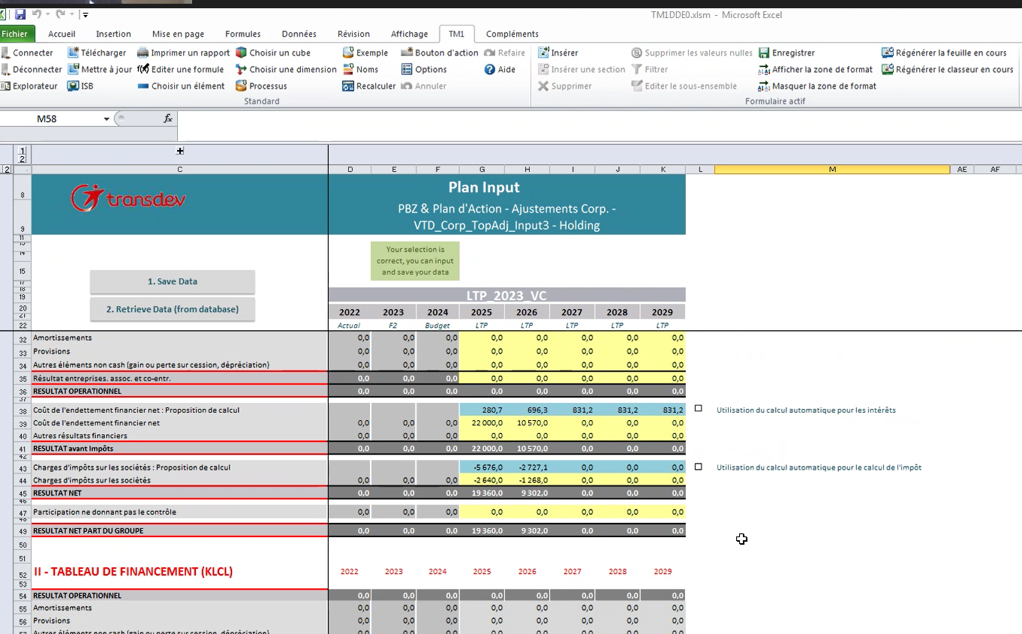
Variation du CA |  | #DIV/0! | #DIV/0! | #DIV/0! | #DIV/0! | #DIV/0! | #DIV/0! | #DIV/0!

Net operating WC
Net operating WC | 0 | 0 | 0 | 0 | 0 | 0 | 0 | 0

Dette nette
Dette nette | 0 | 0 | 0 | 0 | 0 | 0 | 0 | 0

IFRS 16 CAPEX identifiés | m€ | year
Chiemgau |  | 2026
Crystal |  | 2026
Madrid |  | 2025

Revue analytique
FINANCIAL EXPENSES | MEUR | F2 2023 | BUDGET 2024 | LTP 2025 | LTP 2026 | LTP 2027 | LTP 2028 | LTP 2029
 | FINANCIAL EXPENSES | 0 | 0 | 0 | 0 | 0 | 0 | 0 |  |  |  | 75
 | Other financial costs | 0 | 0 | 0 | 0 | 0 | 0 | 0 | 3 |  |  | 1869
 | Costs of financial debt | 0 | 0 | 0 | 0 | 0 | 0 | 0 | #DIV/0! |  |  | 4.01%
 | NET DEBT | 0 | 0 | 0 | 0 | 0 | 0 | 0 | 0
 | of which new external debt |  | (200) | (350) | (300) | (400) | (450) | (800)
 | Financing rate |  | #DIV/0! | #DIV/0! | #DIV/0! | #DIV/0! | #DIV/0! | #DIV/0! | #DIV/0!

 |  |  | #DIV/0! | #DIV/0! | #DIV/0! | #DIV/0! | #DIV/0! | #DIV/0!
NET FINANCIAL DEBT | MEUR | F2 2023 | BUDGET 2024 | LTP 2025 | LTP 2026 | LTP 2027 | LTP 2028 | LTP 2029 | Déport / Report
 | TOTAL NFD | 0 | 0 | 0 | 0 | 0 | 0 | 0
 | France | 0 | 0 | 0 | 0 | 0 | 0 | 0 | 0 | € |  | #DIV/0!
 | USA | 0 | 0 | 0 | 0 | 0 | 0 | 0 | 0 | USD |  | #DIV/0!
 | Canada | 0 | 0 | 0 | 0 | 0 | 0 | 0 | 0 | CAD |  | #DIV/0!
 | Germany | 0 | 0 | 0 | 0 | 0 | 0 | 0 | 0 | € |  | #DIV/0!
 | The Netherlands | 0 | 0 | 0 | 0 | 0 | 0 | 0 | 0 | € |  | #DIV/0!
 | Sweden | 0 | 0 | 0 | 0 | 0 | 0 | 0 | 0 | SEK |  | #DIV/0!
 | Czech Rep | 0 | 0 | 0 | 0 | 0 | 0 | 0 | 0 | € |  | #DIV/0!
 | Slovakia | 0 | 0 | 0 | 0 | 0 | 0 | 0 | 0 | € |  | #DIV/0!
 | UK | 0 | 0 | 0 | 0 | 0 | 0 | 0 | 0 | GBP |  | #DIV/0!
 | Other | 0 | 0 | 0 | 0 | 0 | 0 | 0 | 0
 | Ctrl | 0.00 | 0.00 | 0.00 | 0.00 | 0.00 | 0.00 | 0.00
 |  |  |  |  |  |  |  |  |  |  | Taux all in
COSTS OF NET FINANCIAL DEBT | MEUR | F2 2023 | BUDGET 2024 | LTP 2025 | LTP 2026 | LTP 2027 | LTP 2028 | LTP 2029 |  |  | € | #DIV/0! | 4.7% | #DIV/0!
 | TOTAL COSTS OF NFD | 0 | 0 | 0 | 0 | 0 | 0 | 0 |  |  | USD | #DIV/0! | 6.0% | #DIV/0!
 | France | 0 | 0 | 0 | 0 | 0 | 0 | 0 |  |  | CAD | #DIV/0! | 5.7% | #DIV/0!
 | USA | 0 | 0 | 0 | 0 | 0 | 0 | 0 |  |  | GBP | #DIV/0! | 7.3% | #DIV/0!
 | Canada | 0 | 0 | 0 | 0 | 0 | 0 | 0 |  |  | SEK | #DIV/0! | 5.5% | #DIV/0!
 | Germany | 0 | 0 | 0 | 0 | 0 | 0 | 0 |  |  | Other | #DIV/0! | #DIV/0! | #DIV/0!
 | The Netherlands | 0 | 0 | 0 | 0 | 0 | 0 | 0 |  |  | Total | #DIV/0! |  | #DIV/0!
 | Sweden | 0 | 0 | 0 | 0 | 0 | 0 | 0
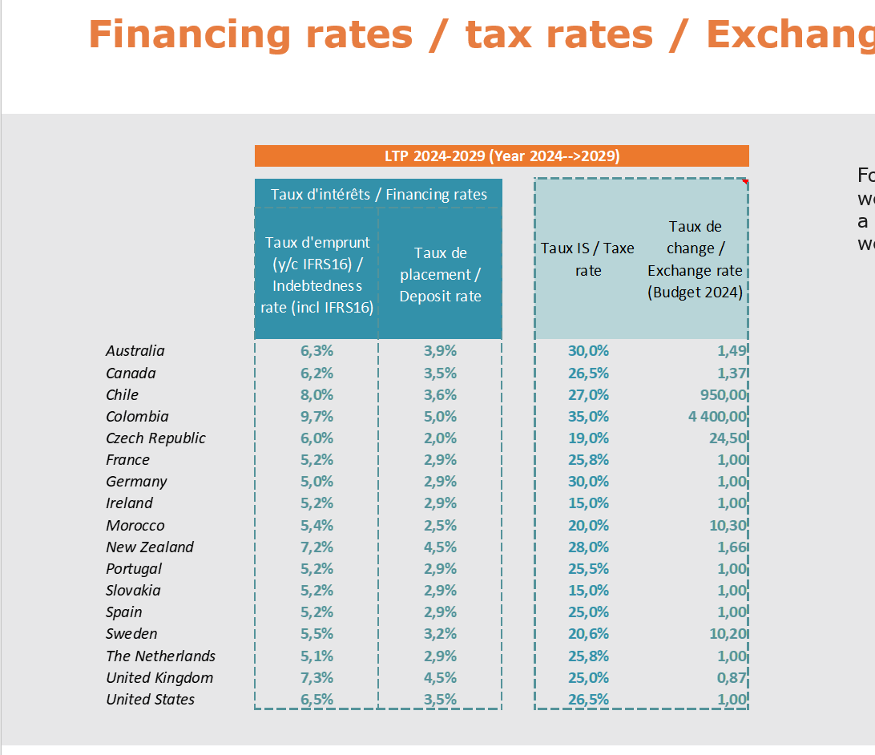
 | Czech Rep | 0 | 0 | 0 | 0 | 0 | 0 | 0
 | Slovakia | 0 | 0 | 0 | 0 | 0 | 0 | 0
 | UK | 0 | 0 | 0 | 0 | 0 | 0 | 0
 | Other | 0 | 0 | 0 | 0 | 0 | 0 | 0
 | Ctrl | 0.00 | 0.00 | 0.00 | 0.00 | 0.00 | 0.00 | 0.00

FINANCING RATE | % | F2 2023 | BUDGET 2024 | LTP 2025 | LTP 2026 | LTP 2027 | LTP 2028 | LTP 2029
 | France |  |  | #DIV/0! | #DIV/0! | #DIV/0! | #DIV/0! | #DIV/0!
 | USA |  |  | #DIV/0! | #DIV/0! | #DIV/0! | #DIV/0! | #DIV/0!
 | Canada |  |  | #DIV/0! | #DIV/0! | #DIV/0! | #DIV/0! | #DIV/0!
 | Germany |  |  | #DIV/0! | #DIV/0! | #DIV/0! | #DIV/0! | #DIV/0!
 | The Netherlands |  |  | #DIV/0! | #DIV/0! | #DIV/0! | #DIV/0! | #DIV/0!
 | Sweden |  |  | #DIV/0! | #DIV/0! | #DIV/0! | #DIV/0! | #DIV/0!
 | Czech Rep |  |  | #DIV/0! | #DIV/0! | #DIV/0! | #DIV/0! | #DIV/0!
 | Slovakia |  |  | #DIV/0! | #DIV/0! | #DIV/0! | #DIV/0! | #DIV/0!
 | UK |  |  | #DIV/0! | #DIV/0! | #DIV/0! | #DIV/0! | #DIV/0!
 | Other | #DIV/0! | #DIV/0! | #DIV/0! | #DIV/0! | #DIV/0! | #DIV/0! | #DIV/0!

FINANCING RATE (indebtedness) as per instructions | % | F2 2023 | BUDGET 2024 | LTP 2025 | LTP 2026 | LTP 2027 | LTP 2028 | LTP 2029
 | France |  |  | 5.2% | 5.2% | 5.2% | 5.2% | 5.2%
 | USA |  |  | 6.5% | 6.5% | 6.5% | 6.5% | 6.5%
 | Canada |  |  | 6.2% | 6.2% | 6.2% | 6.2% | 6.2%
 | Germany |  |  | 5.0% | 5.0% | 5.0% | 5.0% | 5.0%
 | The Netherlands |  |  | 5.1% | 5.1% | 5.1% | 5.1% | 5.1%
 | Sweden |  |  | 5.5% | 5.5% | 5.5% | 5.5% | 5.5%
 | Czech Rep |  |  | 6.0% | 6.0% | 6.0% | 6.0% | 6.0%
 | Slovakia |  |  | 4.2% | 4.2% | 4.2% | 4.2% | 4.2%
 | UK |  |  | 7.3% | 7.3% | 7.3% | 7.3% | 7.3%

CHECK (1) | % | F2 2023 | BUDGET 2024 | LTP 2025 | LTP 2026 | LTP 2027 | LTP 2028 | LTP 2029 | Average |  | Commentaires sur les écarts significatifs
 | France |  |  | #DIV/0! | #DIV/0! | #DIV/0! | #DIV/0! | #DIV/0! | #DIV/0! |  | OK
 | USA |  |  | #DIV/0! | #DIV/0! | #DIV/0! | #DIV/0! | #DIV/0! | #DIV/0! |  | Question posée au contrôleur
 | Canada |  |  | #DIV/0! | #DIV/0! | #DIV/0! | #DIV/0! | #DIV/0! | #DIV/0! |  | OK
 | Germany |  |  | #DIV/0! | #DIV/0! | #DIV/0! | #DIV/0! | #DIV/0! | #DIV/0! |  | OK
 | The Netherlands |  |  | #DIV/0! | #DIV/0! | #DIV/0! | #DIV/0! | #DIV/0! | #DIV/0! |  | Question posée au contrôleur
 | Sweden |  |  | #DIV/0! | #DIV/0! | #DIV/0! | #DIV/0! | #DIV/0! | #DIV/0! |  | OK
 | Czech Rep |  |  | #DIV/0! | #DIV/0! | #DIV/0! | #DIV/0! | #DIV/0! | #DIV/0! |  | Question posée au contrôleur
 | Slovakia |  |  | #DIV/0! | #DIV/0! | #DIV/0! | #DIV/0! | #DIV/0! | #DIV/0! |  | OK
 | UK |  |  | #DIV/0! | #DIV/0! | #DIV/0! | #DIV/0! | #DIV/0! | #DIV/0! |  | OK

CHECK (2) | MEUR | F2 2023 | BUDGET 2024 | LTP 2025 | LTP 2026 | LTP 2027 | LTP 2028 | LTP 2029 | Average
 | France |  |  | #DIV/0! | #DIV/0! | #DIV/0! | #DIV/0! | #DIV/0! | #DIV/0!
 | USA |  |  | #DIV/0! | #DIV/0! | #DIV/0! | #DIV/0! | #DIV/0! | #DIV/0!
 | Canada |  |  | #DIV/0! | #DIV/0! | #DIV/0! | #DIV/0! | #DIV/0! | #DIV/0!
 | Germany |  |  | #DIV/0! | #DIV/0! | #DIV/0! | #DIV/0! | #DIV/0! | #DIV/0!
 | The Netherlands |  |  | #DIV/0! | #DIV/0! | #DIV/0! | #DIV/0! | #DIV/0! | #DIV/0!
 | Sweden |  |  | #DIV/0! | #DIV/0! | #DIV/0! | #DIV/0! | #DIV/0! | #DIV/0!
 | Czech Rep |  |  | #DIV/0! | #DIV/0! | #DIV/0! | #DIV/0! | #DIV/0! | #DIV/0!
 | Slovakia |  |  | #DIV/0! | #DIV/0! | #DIV/0! | #DIV/0! | #DIV/0! | #DIV/0!
 | UK |  |  | #DIV/0! | #DIV/0! | #DIV/0! | #DIV/0! | #DIV/0! | #DIV/0!

